Sheet1
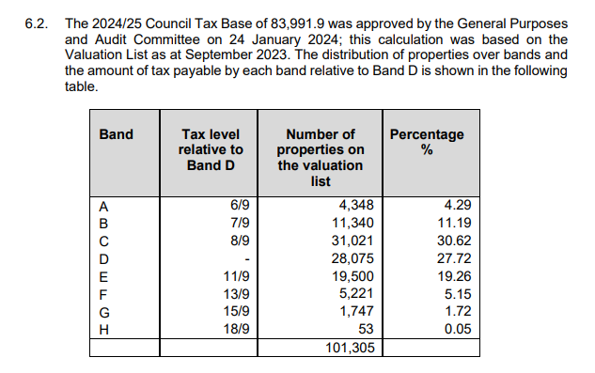
FY 2024-25 | Bromley | Bexley | Ratio Bex/Brom
Population | 330,000.00 | 246,500.00
Revenue expenditure, £000 | 452,147.00 | 348,733.00
Revenue expenditure per capita | 1,370.14 | 1,414.74
Specific and special grants inside AEF | -182,121.00 | -161,618.00
Specific and special grants inside AEF per capita | -551.88 | -655.65
Retained income from Rate Retention Scheme | -50,205.00 | -52,979.00
Retained income from Rate Retention Scheme per capita | -152.14 | -214.92
Other income | -19,800.00 | 7,276.00
Council-tax requirement | 200,016.00 | 141,412.00
Council-tax requirement per capita | 606.11 | 573.68
Band D council tax | 1,949.71 | 2,155.04
Band D council tax - ex-GLA precept | 1,478.31 | 1,683.64 | 1.14
Band D council tax / Council-tax requirement per capita | 2.44 | 2.93 | 1.20
Number of Band D equivalent properties | 135,300.00 | 101,760.00
Number of Band D equivalent properties per capita | 0.41 | 0.41
 |  |  |  | https://cds.bromley.gov.uk/documents/b50019327/4.%20Council%20Tax%20-%20Amendments%20Wednesday%2026-Feb-2025%2019.00%20Council.pdf?T=9
n | w | nw
4348 | 0.66666666667 | 2,898.67
11340 | 0.77777777778 | 8,820.00
31021 | 0.88888888889 | 27,574.22
28075 | 1.00 | 28,075.00
19500 | 1.2222222222 | 23,833.33
5221 | 1.4444444444 | 7,541.44
1747 | 1.6666666667 | 2,911.67
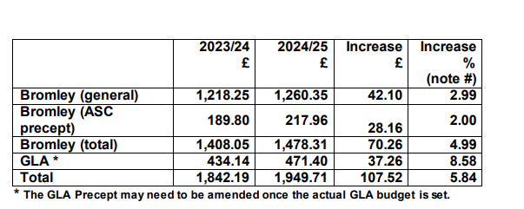
53 | 2 | 106.00 | https://democracy.bexley.gov.uk/documents/s112657/Financial%20Plans%202024-25.pdf
 |  | 101,760.33
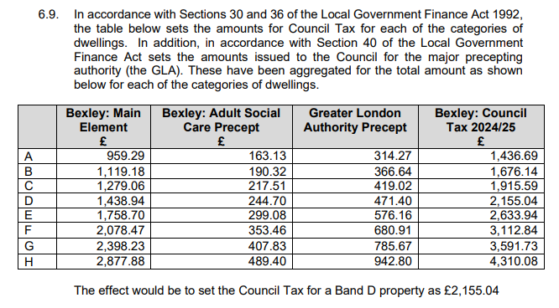

 |  |  |  | 2155.04
 |  |  |  | 471.4
 |  |  |  | 1683.64

